GRAPHS
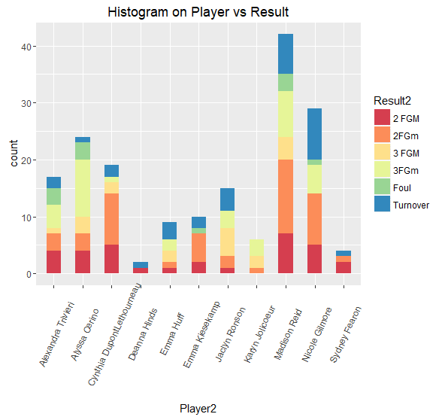
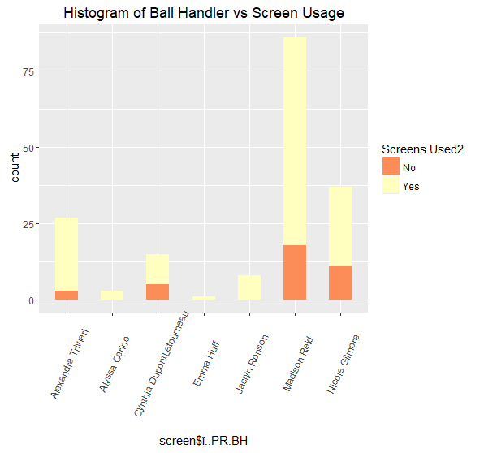

This is a visual of the result of the Player who ends the possession |  | Ball Handler vs whether or not they use the screen

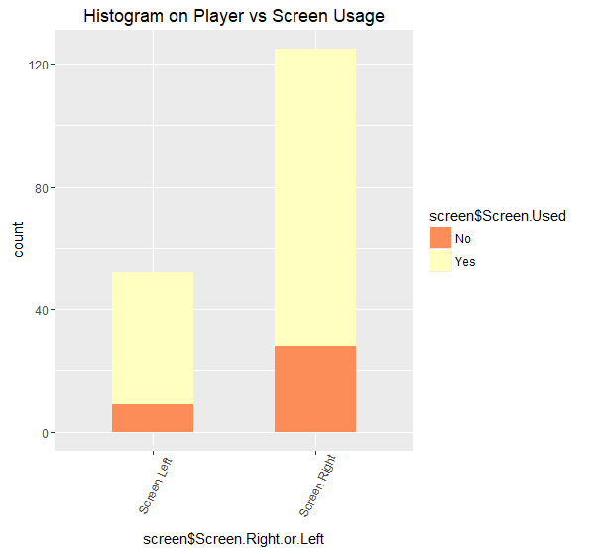
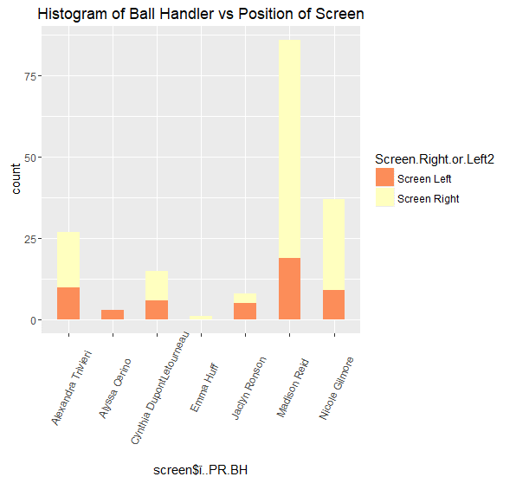

The position of where the screen is set for each ball handler | The usage of screen and which positiion the screen is set

